Config
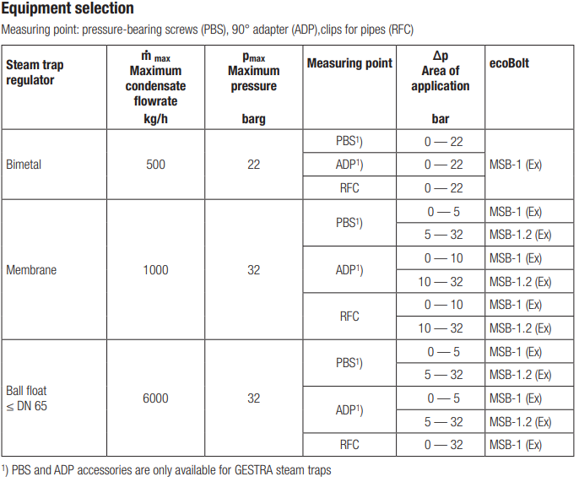
Template for MSB1.x / ecoBolt configuration
2024-01-29

Use one row per device
Explanation can be found on the tab / sheet "Description"
The orange columns are calculated automatically
A red cell means the config is not set correctly (e.g. too high pressure)

DevEUI | Gateway IP | Steam Trap Type | DN | Mounting Type | Differential Pressure [barg] | Model | Application | Condensate Load | twkup [s] | Defective Alarm [d] | ErrCntTHDef | Defective Warning [d] | WarnCntTHDef
A84041119184FFF0 | 192.168.23.1 | bimetallic | 15 | PBS | 22 | MSB1.0 | Steam tracer | low | 3600 | 30 | 720 | 15 | 360
A84041119184FFF1 | 192.168.23.1 | membrane | 20 | RFC | 10 | MSB1.0 | Steam line | low | 3600 | 30 | 720 | 15 | 360
A84041134184FF58 | 192.168.23.1 | ball-float | 25 | PBS | 2 | MSB1.0 | Steam tracer | low | 3600 | 10 | 240 | 5 | 120
A84041134184FF59 | 192.168.24.1 | bimetallic | 40 | RFC | 1 | MSB1.0 | Steam tracer | low | 3600 | 10 | 240 | 5 | 120
A8404113F184FFC4 | 192.168.24.1 | ball-float | 50 | ADP | 15 | MSB1.2 | Heat exchanger | high | 3600 | 3 | 72 | 1.5 | 36
A8404113F184FFC5 | 192.168.178.1 | bimetallic | 65 | RFC | 23 | MSB1.0 | Heat exchanger | high | 3600 | 3 | 72 | 1.5 | 36
A8404113F184FFC6 | 192.168.178.1 | thermodynamic | 25 | PBS | 5 | MSB1.0 | Steam line | low | 3600 | 30 | 720 | 15 | 360
A8404113F184FFC7 | 192.168.178.1 | venturi | 20 | ADP | 7 | MSB1.0 | Steam line | mid | 3600 | 30 | 720 | 15 | 360
 |  |  |  |  |  | MSB1.0
 |  |  |  |  |  | MSB1.0
 |  |  |  |  |  | MSB1.0
 |  |  |  |  |  | MSB1.0
 |  |  |  |  |  | MSB1.0
 |  |  |  |  |  | MSB1.0
 |  |  |  |  |  | MSB1.0
 |  |  |  |  |  | MSB1.0
 |  |  |  |  |  | MSB1.0
 |  |  |  |  |  | MSB1.0
 |  |  |  |  |  | MSB1.0
 |  |  |  |  |  | MSB1.0
 |  |  |  |  |  | MSB1.0
 |  |  |  |  |  | MSB1.0
 |  |  |  |  |  | MSB1.0
 |  |  |  |  |  | MSB1.0
 |  |  |  |  |  | MSB1.0
 |  |  |  |  |  | MSB1.0
 |  |  |  |  |  | MSB1.0
 |  |  |  |  |  | MSB1.0
 |  |  |  |  |  | MSB1.0
 |  |  |  |  |  | MSB1.0
 |  |  |  |  |  | MSB1.0
 |  |  |  |  |  | MSB1.0
 |  |  |  |  |  | MSB1.0
 |  |  |  |  |  | MSB1.0
 |  |  |  |  |  | MSB1.0
 |  |  |  |  |  | MSB1.0
 |  |  |  |  |  | MSB1.0
 |  |  |  |  |  | MSB1.0
 |  |  |  |  |  | MSB1.0
 |  |  |  |  |  | MSB1.0
 |  |  |  |  |  | MSB1.0
 |  |  |  |  |  | MSB1.0
 |  |  |  |  |  | MSB1.0
 |  |  |  |  |  | MSB1.0
 |  |  |  |  |  | MSB1.0
 |  |  |  |  |  | MSB1.0
 |  |  |  |  |  | MSB1.0
 |  |  |  |  |  | MSB1.0
 |  |  |  |  |  | MSB1.0
 |  |  |  |  |  | MSB1.0
 |  |  |  |  |  | MSB1.0
 |  |  |  |  |  | MSB1.0
 |  |  |  |  |  | MSB1.0
 |  |  |  |  |  | MSB1.0
 |  |  |  |  |  | MSB1.0
 |  |  |  |  |  | MSB1.0
 |  |  |  |  |  | MSB1.0
 |  |  |  |  |  | MSB1.0
 |  |  |  |  |  | MSB1.0
 |  |  |  |  |  | MSB1.0
 |  |  |  |  |  | MSB1.0
 |  |  |  |  |  | MSB1.0
 |  |  |  |  |  | MSB1.0
 |  |  |  |  |  | MSB1.0
 |  |  |  |  |  | MSB1.0
 |  |  |  |  |  | MSB1.0
 |  |  |  |  |  | MSB1.0
 |  |  |  |  |  | MSB1.0
 |  |  |  |  |  | MSB1.0
 |  |  |  |  |  | MSB1.0
 |  |  |  |  |  | MSB1.0

